OFFER
 |  |  |  |  |  |  |  |  | EXW:KSA
 |  |  |  |  |  |  |  |  | TAKE ALL

 |  |  |  |  |  |  |  |  | 5565 | € 149.97 | € 834,570.00
PHOTO | GENDER | Category | Age | Gender2 | Brands | Model | Part | Colours | QTY | RRP | TTL RRP
 | Adult Unisex | Socks | ADULTS | Adult Unisex | EMPORIO ARMANI 7 | 245022 | 0P855 | Black/BCuracau Log | 1 | € 30.00 | € 30.00
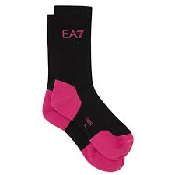 | Adult Unisex | Socks | ADULTS | Adult Unisex | EMPORIO ARMANI 7 | 245022 | 0P855 | Black/Pink Fluo Log | 2 | € 30.00 | € 60.00
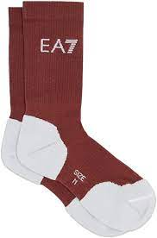 | Adult Unisex | Socks | ADULTS | Adult Unisex | EMPORIO ARMANI 7 | 245022 | 0P855 | Ebony/White Logo | 2 | € 30.00 | € 60.00
 | Boy | 5-Pockets | KIDS | Boys | EMPORIO ARMANI | 3H4J06 | 1N4ZZ | Blu Navy | 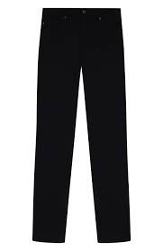 1 | € 130.00 | € 130.00
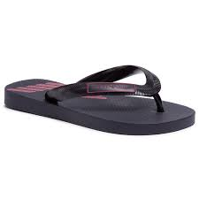 | Boy | Flip-Flops | KIDS | Boys | EMPORIO ARMANI | XYQS01 | XOZ10 | NAVY+RED | 6 | € 55.00 | € 330.00
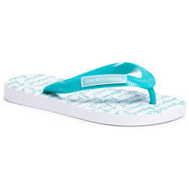 | Boy | Flip-Flops | KIDS | Boys | EMPORIO ARMANI | XYQS01 | XOZ10 | WHITE+TURQUOISE | 1 | € 55.00 | € 55.00
 | Boy | Hat | KIDS | Boys | EMPORIO ARMANI | 404126 | 0P422 | Bianco | 1 | € 80.00 | € 80.00
 | Boy | Newborn-Set | KIDS | Boys | EMPORIO ARMANI | 407132 | 0P704 | Pink | 2 | € 140.00 | € 280.00
 | Boy | Sneakers | KIDS | Boys | EMPORIO ARMANI | XMX006 | XOI32 | GREY+NUDE+WHT+PINK | 1 | € 195.00 | € 195.00
 | Boy | Sneakers | KIDS | Boys | EMPORIO ARMANI | XYX002 | XON04 | Navy+White | 1 | € 180.00 | € 180.00
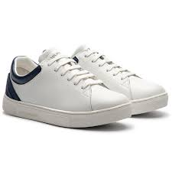 | Boy | Sneakers | KIDS | Boys | EMPORIO ARMANI | XYX006 | XOI12 | White+White | 3 | € 150.00 | € 450.00
 | Boy | Sneakers | KIDS | Boys | EMPORIO ARMANI | XYX007 | XOI33 | WHITE+GREEN FLUO | 3 | € 210.00 | € 630.00
 | Boy | Sneakers | KIDS | Boys | EMPORIO ARMANI 7 | XSX001 | XOT01 | Black+Pink Fluo | 2 | € 123.00 | € 246.00
 | Boy | Sneakers | KIDS | Boys | EMPORIO ARMANI 7 | XSX003 | XOT04 | MAZARINE BLUE+WHITE | 1 | € 145.00 | € 145.00
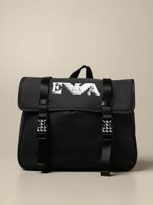 | Boy | Backpack | KIDS | Boys | EMPORIO ARMANI | 402520 | 0A550 | Blu Navy | 3 | € 185.00 | € 555.00
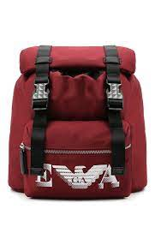 | Boy | Backpack | KIDS | Boys | EMPORIO ARMANI | 402521 | 0A551 | Ruby | 3 | € 195.00 | € 585.00
 | Boy | Blanket | KIDS | Boys | EMPORIO ARMANI | 409167 | 0A818 | Latte Rosa | 1 | € 150.00 | € 150.00
 | Boy | Blanket | KIDS | Boys | EMPORIO ARMANI | 409168 | 0A819 | Latte Rosa | 11 | € 150.00 | € 1,650.00
 | Boy | Blanket | KIDS | Boys | EMPORIO ARMANI | 409168 | 0A819 | Latte/Azzurro | 4 | € 150.00 | € 600.00
 | Boy | Gift-Set | KIDS | Boys | EMPORIO ARMANI | 6HHV12 | 4J3CZ | Cobalto | 1 | € 150.00 | € 150.00
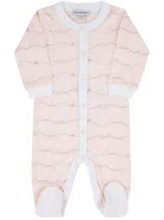 | Boy | Gift-Set | KIDS | Boys | EMPORIO ARMANI | 8NHV07 | 4JFXZ | Rosa Newborn | 3 | € 145.00 | € 435.00
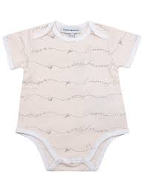 | Boy | Gift-Set | KIDS | Boys | EMPORIO ARMANI | 8NHV19 | 4JFXZ | Beige | 8 | € 125.00 | € 1,000.00
 | Boy | Gift-Set | KIDS | Boys | EMPORIO ARMANI | 8NHV19 | 4JFXZ | Blu Scuro | 2 | € 125.00 | € 250.00
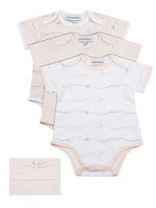 | Boy | Gift-Set | KIDS | Boys | EMPORIO ARMANI | 8NHV19 | 4JFXZ | Rosa Newborn | 16 | € 125.00 | € 2,000.00
 | Boy | Hat | KIDS | Boys | EMPORIO ARMANI | 404128 | 0A434 | Latte/Blu Navy | 1 | € 70.00 | € 70.00
 | Boy | Jacket | KIDS | Boys | EMPORIO ARMANI | 6H4BL1 | 1NLSZ | Grigio Luce | 1 | € 300.00 | € 300.00
 | Boy | Newborn-Set | KIDS | Boys | EMPORIO ARMANI | 407136 | 0A743 | Latte Rosa | 1 | € 170.00 | € 170.00
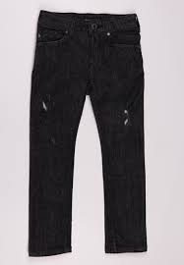 | Boy | Pants | KIDS | Boys | EMPORIO ARMANI | 6H4J06 | 4D2CZ | Denim Nero | 3 | € 130.00 | € 390.00
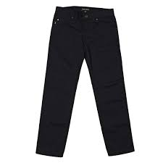 | Boy | Pants | KIDS | Boys | EMPORIO ARMANI | 6H4J45 | 4N4WZ | Navy Blue | 4 | € 150.00 | € 600.00
 | Boy | Polo | KIDS | Boys | EMPORIO ARMANI | 6H4FJC | 1JASZ | Bco Bretelle B | 2 | € 95.00 | € 190.00
 | Boy | Scarf | KIDS | Boys | EMPORIO ARMANI | 404612 | 0A464 | Blu Navy | 2 | € 100.00 | € 200.00
 | Boy | Shirt | KIDS | Boys | EMPORIO ARMANI | 6H4C80 | 1NC1Z | Bianco Fant.Ea | 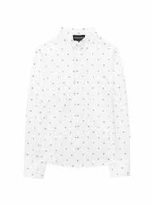 6 | € 130.00 | € 780.00
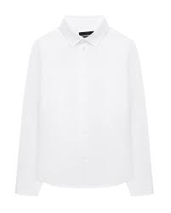 | Boy | Shirt | KIDS | Boys | EMPORIO ARMANI | 6H4CA4 | 1NXXZ | Warm White | 4 | € 110.00 | € 440.00
 | Boy | Shirt | KIDS | Boys | EMPORIO ARMANI | 6H4CA6 | 1NXYZ | Optical White | 1 | € 115.00 | € 115.00
 | Boy | Sneakers | KIDS | Boys | EMPORIO ARMANI | XMX006 | XOI36 | Navy+Basalto+Ruby+Na | 1 | € 195.00 | € 195.00
 | Boy | Sneakers | KIDS | Boys | EMPORIO ARMANI | XMX006 | XOI37 | Blk+Fuxia+Blk+Wht | 4 | € 200.00 | € 800.00
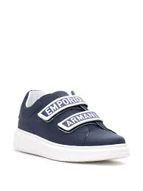 | Boy | Sneakers | KIDS | Boys | EMPORIO ARMANI | XYX007 | XCC70 | Black White | 4 | € 210.00 | € 840.00
 | Boy | Sneakers | KIDS | Boys | EMPORIO ARMANI | XYX008 | XOI34 | Nav+Pearl+Pnk+Bl+Wht | 1 | € 220.00 | € 220.00
 | Boy | Sneakers | KIDS | Boys | EMPORIO ARMANI | XYX008 | XOI38 | Blk+Fuxia+Blk+Wht | 3 | € 230.00 | € 690.00
 | Boy | Sneakers | KIDS | Boys | EMPORIO ARMANI 7 | XSX013 | XOT32 | Black+Surf The Web | 1 | € 130.00 | € 130.00
 | Boy | Sneakers | KIDS | Boys | EMPORIO ARMANI 7 | XSZ003 | XOT34 | Camo+Lime Punch | 2 | € 145.00 | € 290.00
 | Boy | Suit | KIDS | Boys | EMPORIO ARMANI | 6HHB11 | 4J3CZ | Rosa | 1 | € 175.00 | € 175.00
 | Boy | Suit | KIDS | Boys | EMPORIO ARMANI | 8NHL82 | 4JFXZ | Beige | 2 | € 155.00 | € 310.00
 | Boy | Sweatshirt | KIDS | Boys | EMPORIO ARMANI | 6HHMA9 | 4JCNZ | Blu Navy | 2 | € 145.00 | € 290.00
 | Boy | Sweatshirt | KIDS | Boys | EMPORIO ARMANI 7 | 6HPMQ1 | PJ5ZZ | Black | 2 | € 143.00 | € 286.00
 | Boy | T-Shirt | KIDS | Boys | EMPORIO ARMANI | 6H4TJD | 1J00Z | Navy Blue | 1 | € 75.00 | € 75.00
 | Boy | T-Shirt | KIDS | Boys | EMPORIO ARMANI | 6H4TJO | 1JDXZ | Zaffiro | 1 | € 75.00 | € 75.00
 | Boy | T-Shirt | KIDS | Boys | EMPORIO ARMANI | 6H4TQ9 | 1J19Z | Piombo | 1 | € 85.00 | € 85.00
 | Boy | T-Shirt | KIDS | Boys | EMPORIO ARMANI | 6HHTA9 | 1JDXZ | Navy Blue | 1 | € 80.00 | € 80.00
 | Boy | T-Shirt | KIDS | Boys | EMPORIO ARMANI | 6HHTJB | 4J09Z | Blu Navy | 1 | € 65.00 | € 65.00
 | Boy | T-Shirt | KIDS | Boys | EMPORIO ARMANI | 6HHTJN | 1JTUZ | Rubino | 2 | € 75.00 | € 150.00
 | Boy | T-Shirt | KIDS | Boys | EMPORIO ARMANI 7 | 6HBT52 | BJ02Z | Off White | 1 | € 43.00 | € 43.00
 | Boy | Trousers | KIDS | Boys | EMPORIO ARMANI | 6H4P60 | 4N4YZ | Blu Navy | 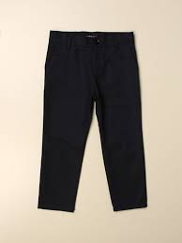 5 | € 120.00 | € 600.00
 | Boy | Trousers | KIDS | Boys | EMPORIO ARMANI | 6H4P98 | 1JSNZ | Rubino | 1 | € 125.00 | € 125.00
 | Boy | Trousers | KIDS | Boys | EMPORIO ARMANI 7 | 6HPPQ1 | PJ5ZZ | Black | 4 | € 128.00 | € 512.00
 | Boy | Trousers | KIDS | Boys | EMPORIO ARMANI 7 | 6HPTQ1 | PJ8ZZ | Off White | 1 | € 92.00 | € 92.00
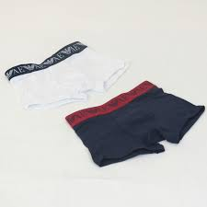 | Boy | Underwear | KIDS | Boys | EMPORIO ARMANI | 406501 | 0A650 | Bianco Blu | 3 | € 45.00 | € 135.00
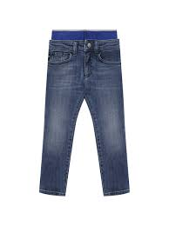 | Boy | 5-Pockets | KIDS | Boys | EMPORIO ARMANI | 3K4J17 | 4D2JZ | Denim Blu Md | 9 | € 175.00 | € 1,575.00
 | Boy | 5-Pockets | KIDS | Boys | EMPORIO ARMANI | 3K4J45 | 4N5HZ | Warm White | 5 | € 155.00 | € 775.00
 | Boy | Bermuda | KIDS | Boys | EMPORIO ARMANI | 3K4PS1 | 1DY7Z | Fantasia Blu/Bco | 3 | € 120.00 | € 360.00
 | Boy | Bermuda | KIDS | Boys | EMPORIO ARMANI | 3K4SJE | 4D2JZ | Denim Blu Md | 2 | € 170.00 | € 340.00
 | Boy | Bermuda | KIDS | Boys | EMPORIO ARMANI 7 | 3KBS54 | BJ05Z | Black | 2 | € 60.00 | € 120.00
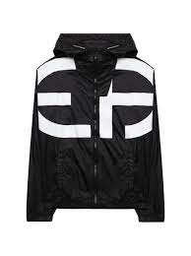 | Boy | Blouson | KIDS | Boys | EMPORIO ARMANI | 3K4BN0 | 1NLYZ | Black | 15 | € 210.00 | € 3,150.00
 | Boy | Blouson | KIDS | Boys | EMPORIO ARMANI | 3KHBS3 | 1NZMZ | BCo Lettering | 2 | € 155.00 | € 310.00
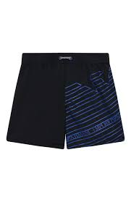 | Boy | Boxer | KIDS | Boys | EMPORIO ARMANI | 408503 | 1P209 | Blu/Oltremare | 6 | € 80.00 | € 480.00
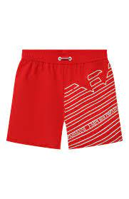 | Boy | Boxer | KIDS | Boys | EMPORIO ARMANI | 408503 | 1P209 | Rosso/Bianco | 14 | € 80.00 | € 1,120.00
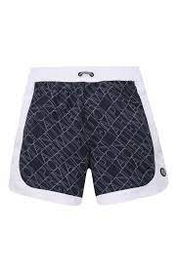 | Boy | Boxer | KIDS | Boys | EMPORIO ARMANI | 408511 | 1P218 | All-Over Blu/Bianco | 6 | € 85.00 | € 510.00
 | Boy | Boxer | KIDS | Boys | EMPORIO ARMANI 7 | 906005 | 1P771 | Blu Smalto | 5 | € 55.00 | € 275.00
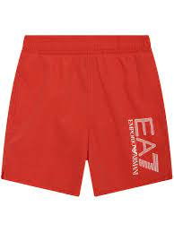 | Boy | Boxer | KIDS | Boys | EMPORIO ARMANI 7 | 906005 | 1P771 | Red | 6 | € 55.00 | € 330.00
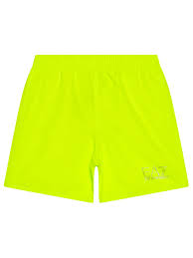 | Boy | Boxer | KIDS | Boys | EMPORIO ARMANI 7 | 906005 | 1P772 | Giallo Fluo | 6 | € 50.00 | € 300.00
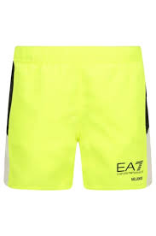 | Boy | Boxer | KIDS | Boys | EMPORIO ARMANI 7 | 906009 | 1P774 | Giallo Fluo | 4 | € 55.00 | € 220.00
 | Boy | Gift-Set | KIDS | Boys | EMPORIO ARMANI | 3KHV79 | 4JGCZ | Bianco/Aqui J. | 1 | € 155.00 | € 155.00
 | Boy | Gift-Set | KIDS | Boys | EMPORIO ARMANI | 8NHV14 | 4JFXZ | Rosa Newborn | 3 | € 130.00 | € 390.00
 | Boy | Hat | KIDS | Boys | EMPORIO ARMANI | 404626 | 1P485 | Nero | 1 | € 80.00 | € 80.00
 | Boy | Hat | KIDS | Boys | EMPORIO ARMANI | 404626 | 1P485 | Off White | 1 | € 80.00 | € 80.00
 | Boy | Hat | KIDS | Boys | EMPORIO ARMANI | 404629 | 1P490 | Off White | 1 | € 85.00 | € 85.00
 | Boy | Hat | KIDS | Boys | EMPORIO ARMANI | 404632 | 1P487 | Blu Navy | 1 | € 75.00 | € 75.00
 | Boy | Infant Care Set | KIDS | Boys | EMPORIO ARMANI | 406127 | 1P603 | Azzzuro | 1 | € 65.00 | € 65.00
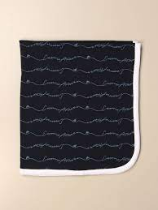 | Boy | Infant Care Set | KIDS | Boys | EMPORIO ARMANI | 407126 | CC901 | Blu Navy | 3 | € 110.00 | € 330.00
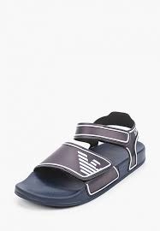 | Boy | Sandals | KIDS | Boys | EMPORIO ARMANI | XYPS06 | XOZ16 | Navy White | 8 | € 100.00 | € 800.00
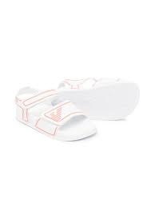 | Boy | Sandals | KIDS | Boys | EMPORIO ARMANI | XYPS06 | XOZ16 | White Coral | 17 | € 100.00 | € 1,700.00
 | Boy | Shirt | KIDS | Boys | EMPORIO ARMANI | 3K4CC4 | 1NXTZ | BCo Lettering | 2 | € 100.00 | € 200.00
 | Boy | Shirt | KIDS | Boys | EMPORIO ARMANI | 3K4CJ2 | 4N54Z | Riga Azzurro | 5 | € 130.00 | € 650.00
 | Boy | Shirt | KIDS | Boys | EMPORIO ARMANI | 3K4CJ2 | 4N54Z | Riga Beige | 16 | € 130.00 | € 2,080.00
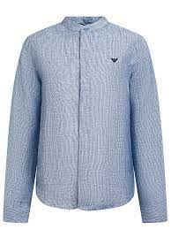 | Boy | Shirt | KIDS | Boys | EMPORIO ARMANI | 3K4CJ4 | 4N50Z | Fant. Fdo Blu | 4 | € 175.00 | € 700.00
 | Boy | Shirt | KIDS | Boys | EMPORIO ARMANI | 3K4CJ8 | 4N53Z | Warm White | 25 | € 130.00 | € 3,250.00
 | Boy | Shirt | KIDS | Boys | EMPORIO ARMANI | 3K4CP8 | 1NXRZ | Optical White | 2 | € 105.00 | € 210.00
 | Boy | Shirt | KIDS | Boys | EMPORIO ARMANI | 8N4C09 | 1N06Z | Optical White | 3 | € 100.00 | € 300.00
 | Boy | Shorts | KIDS | Boys | EMPORIO ARMANI | 3K4SJ5 | 4JJFZ | Bluette | 5 | € 170.00 | € 850.00
 | Boy | Shorts | KIDS | Boys | EMPORIO ARMANI | 3K4SJG | 1NWWZ | Grigio Pietra | 1 | € 130.00 | € 130.00
 | Boy | Shorts | KIDS | Boys | EMPORIO ARMANI | 3K4SJG | 1NWWZ | Incenso | 2 | € 130.00 | € 260.00
 | Boy | Shorts | KIDS | Boys | EMPORIO ARMANI | 3K4SJG | 1NWWZ | Navy Blue | 4 | € 130.00 | € 520.00
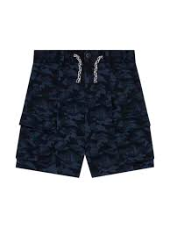 | Boy | Shorts | KIDS | Boys | EMPORIO ARMANI | 3K4SJH | 1JUTZ | Black Camoa | 5 | € 150.00 | € 750.00
 | Boy | Shorts | KIDS | Boys | EMPORIO ARMANI | 3K4SJH | 1JUTZ | Blunavy Camou | 1 | € 150.00 | € 150.00
 | Boy | Shorts | KIDS | Boys | EMPORIO ARMANI | 3K4SP5 | 1JTNZ | Grigio Pietra | 2 | € 125.00 | € 250.00
 | Boy | Shorts | KIDS | Boys | EMPORIO ARMANI | 3KHP92 | 1JHSZ | Black | 1 | € 115.00 | € 115.00
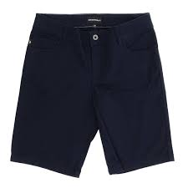 | Boy | Shorts | KIDS | Boys | EMPORIO ARMANI | 8N4S01 | 4NFUZ | Blu Navy | 4 | € 85.00 | € 340.00
 | Boy | Shorts | KIDS | Boys | EMPORIO ARMANI | 8N4S01 | 4NFUZ | Grigio | 3 | € 85.00 | € 255.00
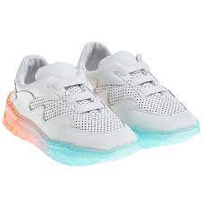 | Boy | Sneakers | KIDS | Boys | EMPORIO ARMANI | XMX006 | XOI47 | OpWht OpWht MGr/N | 3 | € 195.00 | € 585.00
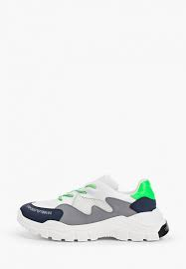 | Boy | Sneakers | KIDS | Boys | EMPORIO ARMANI | XYX008 | XOI45 | OpWht OpWht MGr/N | 9 | € 230.00 | € 2,070.00
 | Boy | Sneakers | KIDS | Boys | EMPORIO ARMANI | XYX008 | XOI46 | Coral Nude Peach Op | 2 | € 220.00 | € 440.00
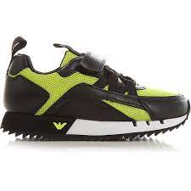 | Boy | Sneakers | KIDS | Boys | EMPORIO ARMANI 7 | XSX013 | XOT32 | Black Acid Lime | 5 | € 130.00 | € 650.00
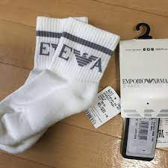 | Boy | Socks | KIDS | Boys | EMPORIO ARMANI | 406500 | 1P651 | Bianco Blu | 3 | € 30.00 | € 90.00
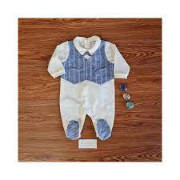 | Boy | Suit | KIDS | Boys | EMPORIO ARMANI | 3KHD75 | 4N50Z | Riga Blu/Azz | 6 | € 185.00 | € 1,110.00
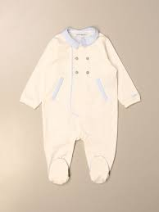 | Boy | Suit | KIDS | Boys | EMPORIO ARMANI | 3KHD79 | 4N54Z | Riga Beige | 5 | € 155.00 | € 775.00
 | Boy | Suit | KIDS | Boys | EMPORIO ARMANI | 3KHD91 | 4N54Z | Riga Azzurro | 2 | € 150.00 | € 300.00
 | Boy | Suit | KIDS | Boys | EMPORIO ARMANI | 8NHD05 | 4JFXZ | Beige | 3 | € 110.00 | € 330.00
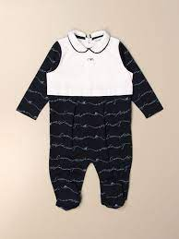 | Boy | Suit | KIDS | Boys | EMPORIO ARMANI | 8NHD05 | 4JFXZ | Rosa Newborn | 15 | € 110.00 | € 1,650.00
 | Boy | Sweatshirt | KIDS | Boys | EMPORIO ARMANI | 3K4BJ7 | 4J4FZ | Black | 1 | € 160.00 | € 160.00
 | Boy | Sweatshirt | KIDS | Boys | EMPORIO ARMANI | 3K4MG4 | 1JHSZ | Black | 1 | € 180.00 | € 180.00
 | Boy | Sweatshirt | KIDS | Boys | EMPORIO ARMANI | 3K4MH4 | 1JHSZ | Black | 1 | € 190.00 | € 190.00
 | Boy | Sweatshirt | KIDS | Boys | EMPORIO ARMANI | 3K4MH4 | 1JHSZ | Rosso | 2 | € 190.00 | € 380.00
 | Boy | Sweatshirt | KIDS | Boys | EMPORIO ARMANI | 3KHB03 | 1JHSZ | Black | 1 | € 165.00 | € 165.00
 | Boy | Sweatshirt | KIDS | Boys | EMPORIO ARMANI 7 | 3KBM57 | BJ05Z | Material Girl | 1 | € 75.00 | € 75.00
 | Boy | T-Shirt | KIDS | Boys | EMPORIO ARMANI | 3K4TAQ | 1JTUZ | Rosso | 1 | € 90.00 | € 90.00
 | Boy | T-Shirt | KIDS | Boys | EMPORIO ARMANI | 3K4TJ7 | 4J4EZ | Warm White | 1 | € 80.00 | € 80.00
 | Boy | T-Shirt | KIDS | Boys | EMPORIO ARMANI | 3K4TM6 | 1JDXZ | Warm White | 1 | € 115.00 | € 115.00
 | Boy | T-Shirt | KIDS | Boys | EMPORIO ARMANI | 3KHTC3 | 1JUCZ | Grigio Pietra | 1 | € 70.00 | € 70.00
 | Boy | T-Shirt | KIDS | Boys | EMPORIO ARMANI | 3KHTM1 | 1JDXZ | Navy Blue | 1 | € 75.00 | € 75.00
 | Boy | T-Shirt | KIDS | Boys | EMPORIO ARMANI 7 | 3KBT53 | BJ02Z | Medium Grey Mel | 1 | € 45.00 | € 45.00
 | Boy | T-Shirt | KIDS | Boys | EMPORIO ARMANI 7 | 3KBT55 | BJ02Z | Off White | 1 | € 50.00 | € 50.00
 | Boy | T-Shirts Set | KIDS | Boys | EMPORIO ARMANI | 3KHD01 | 4J09Z | Navy Blue | 1 | € 105.00 | € 105.00
 | Boy | T-Shirts Set | KIDS | Boys | EMPORIO ARMANI | 3KHD01 | 4J09Z | Ultramarine Blue | 1 | € 105.00 | € 105.00
 | Boy | T-Shirts Set | KIDS | Boys | EMPORIO ARMANI | 408508 | 1P215 | All-Over Blu/Bianco | 7 | € 75.00 | € 525.00
 | Boy | Tracksuit | KIDS | Boys | EMPORIO ARMANI | 3KHVJP | 1JTNZ | Navy Blue | 1 | € 210.00 | € 210.00
 | Boy | Trousers | KIDS | Boys | EMPORIO ARMANI | 3K4P07 | 1NWZZ | Navy Blue | 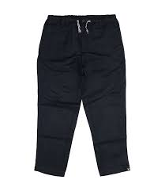 3 | € 135.00 | € 405.00
 | Boy | Trousers | KIDS | Boys | EMPORIO ARMANI | 3K4PG3 | 4N5FZ | Riga Blu | 2 | € 125.00 | € 250.00
 | Boy | Trousers | KIDS | Boys | EMPORIO ARMANI | 3K4PQ8 | 1JHSZ | Black | 2 | € 160.00 | € 320.00
 | Boy | Trousers | KIDS | Boys | EMPORIO ARMANI | 3KHP07 | 1NWZZ | Navy Blue | 1 | € 100.00 | € 100.00
 | Boy | Trousers | KIDS | Boys | EMPORIO ARMANI 7 | 3KBP54 | BJ05Z | Black | 1 | € 70.00 | € 70.00
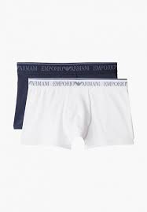 | Boy | Underwear | KIDS | Boys | EMPORIO ARMANI | 406501 | 1P650 | Bianco Blu | 10 | € 45.00 | € 450.00
 | Boy | Baby Set | KIDS | Boys | EMPORIO ARMANI | 407009 | CC909 | Light Blue | 1 | € 105.00 | € 105.00
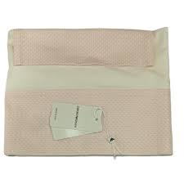 | Boy | Baby Set | KIDS | Boys | EMPORIO ARMANI | 8NN703 | NN02Z | Fantasia Rosa | 6 | € 180.00 | € 1,080.00
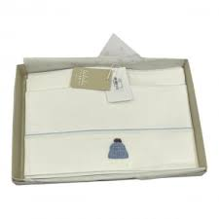 | Boy | Baby Set | KIDS | Boys | EMPORIO ARMANI | 8NN703 | NN02Z | Maxi Logo Blu | 7 | € 180.00 | € 1,260.00
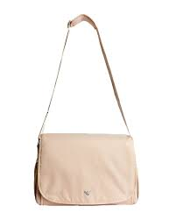 | Boy | Bag | KIDS | Kids Unisex | EMPORIO ARMANI | 402145 | CC904 | Beige | 3 | € 190.00 | € 570.00
 | Boy | Bermuda | KIDS | Boys | EMPORIO ARMANI 7 | 6KBS51 | BJ05Z | Iron Gate | 1 | € 40.00 | € 40.00
 | Boy | Blanket | KIDS | Boys | EMPORIO ARMANI | 6KN806 | NJ03Z | Navy Blue | 6 | € 185.00 | € 1,110.00
 | Boy | Blanket | KIDS | Boys | EMPORIO ARMANI | 6KN807 | NJ03Z | White | 17 | € 190.00 | € 3,230.00
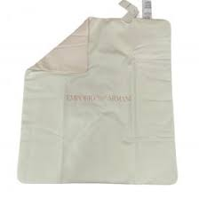 | Boy | Blanket | KIDS | Boys | EMPORIO ARMANI | 8NN810 | NJ05Z | Fantasia Rosa | 26 | € 135.00 | € 3,510.00
 | Boy | Blanket | KIDS | Boys | EMPORIO ARMANI | 8NN810 | NJ05Z | Maxi Logo Blu | 6 | € 135.00 | € 810.00
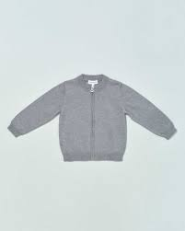 | Boy | Cardigan | KIDS | Boys | EMPORIO ARMANI | 8NHM91 | 4M16Z | Grigio Mel | 10 | € 130.00 | € 1,300.00
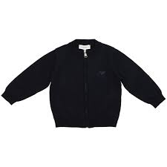 | Boy | Cardigan | KIDS | Boys | EMPORIO ARMANI | 8NHM91 | 4M16Z | Navy Blue | 6 | € 130.00 | € 780.00
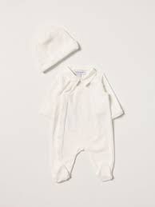 | Boy | Gift-Set | KIDS | Boys | EMPORIO ARMANI | 6KNV06 | NJ00Z | Rosa | 12 | € 250.00 | € 3,000.00
 | Boy | Gift-Set | KIDS | Boys | EMPORIO ARMANI | 6KNV06 | NJ00Z | White | 9 | € 250.00 | € 2,250.00
 | Boy | Gift-Set | KIDS | Boys | EMPORIO ARMANI | 8NNV02 | NJ05Z | Maxi Logo Blu | 4 | € 155.00 | € 620.00
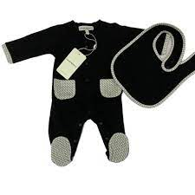 | Boy | Gift-Set | KIDS | Boys | EMPORIO ARMANI | 8NNV03 | NJ05Z | Bco/EA Milano | 3 | € 160.00 | € 480.00
 | Boy | Gift-Set | KIDS | Boys | EMPORIO ARMANI | 8NNV03 | NJ05Z | Fantasia Rosa | 4 | € 160.00 | € 640.00
 | Boy | Gift-Set | KIDS | Boys | EMPORIO ARMANI | 8NNV03 | NJ05Z | Maxi Logo Blu | 4 | € 160.00 | € 640.00
 | Boy | Gift-Set | KIDS | Boys | EMPORIO ARMANI | 8NNV17 | NJ05Z | Bco/EA Milano | 1 | € 185.00 | € 185.00
 | Boy | Gift-Set | KIDS | Boys | EMPORIO ARMANI | 8NNV17 | NJ05Z | Fantasia Rosa | 3 | € 185.00 | € 555.00
 | Boy | Gift-Set | KIDS | Boys | EMPORIO ARMANI | 8NNV17 | NJ05Z | Maxi Logo Blu | 2 | € 185.00 | € 370.00
 | Boy | Hat | KIDS | Boys | EMPORIO ARMANI | 404635 | 1A463 | Blu Navy | 2 | € 85.00 | € 170.00
 | Boy | Hat | KIDS | Boys | EMPORIO ARMANI | 404635 | 1A493 | Nero | 7 | € 75.00 | € 525.00
 | Boy | Hat | KIDS | Boys | EMPORIO ARMANI | 404635 | 1A493 | Verde Colofonia | 10 | € 75.00 | € 750.00
 | Boy | Hat | KIDS | Boys | EMPORIO ARMANI | 404641 | 1A452 | Grigio | 3 | € 80.00 | € 240.00
 | Boy | Jacket | KIDS | Boys | EMPORIO ARMANI | 6K4BJ7 | 4NIBZ | Camu Verde | 16 | € 300.00 | € 4,800.00
 | Boy | Jacket | KIDS | Boys | EMPORIO ARMANI | 6K4BJ9 | 1NPEZ | Ferro Aquila | 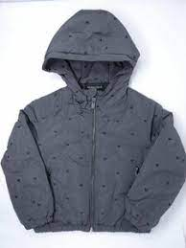 6 | € 240.00 | € 1,440.00
 | Boy | Jacket | KIDS | Boys | EMPORIO ARMANI | 6K4BP9 | 1NWEZ | Incenso/Black | 10 | € 240.00 | € 2,400.00
 | Boy | Jacket | KIDS | Boys | EMPORIO ARMANI | 6KHBJ9 | 1NPEZ | Mattone Firma | 2 | € 200.00 | € 400.00
 | Boy | Jacket | KIDS | Boys | EMPORIO ARMANI | 6KHBP9 | 1NWEZ | Incenso/Black | 9 | € 200.00 | € 1,800.00
 | Boy | Jacket | KIDS | Boys | EMPORIO ARMANI | 8N4BQ2 | 1NLRZ | Black | 3 | € 210.00 | € 630.00
 | Boy | Jacket | KIDS | Boys | EMPORIO ARMANI | 8NHBQ2 | 1NLRZ | Navy Blue | 14 | € 185.00 | € 2,590.00
 | Boy | Jacket | KIDS | Boys | EMPORIO ARMANI 7 | 8NBB34 | BN29Z | Black | 9 | € 120.00 | € 1,080.00
 | Boy | Jacket | KIDS | Boys | EMPORIO ARMANI 7 | 8NBB34 | BN29Z | Mazarine Blue | 15 | € 120.00 | € 1,800.00
 | Boy | Knitwear | KIDS | Boys | EMPORIO ARMANI | 407312 | 1A712 | Blu Navy | 5 | € 180.00 | € 900.00
 | Boy | Knitwear | KIDS | Boys | EMPORIO ARMANI | 407512 | 1A762 | Verde Colofonia | 19 | € 190.00 | € 3,610.00
 | Boy | Pants | KIDS | Boys | EMPORIO ARMANI | 6K4J17 | 4D2YZ | Denim Blu Md | 13 | € 165.00 | € 2,145.00
 | Boy | Pants | KIDS | Boys | EMPORIO ARMANI | 6K4J77 | 1DE9Z | Denim Nero | 17 | € 190.00 | € 3,230.00
 | Boy | Pants | KIDS | Boys | EMPORIO ARMANI | 6KHJ07 | 4D2YZ | Denim Blu Md | 2 | € 105.00 | € 210.00
 | Boy | Pants | KIDS | Boys | EMPORIO ARMANI | 8N4J06 | 1V0MZ | Denim Blu | 6 | € 105.00 | € 630.00
 | Boy | Pants | KIDS | Boys | EMPORIO ARMANI | 8N4J06 | 4D2GZ | Denim Blu Md | 9 | € 120.00 | € 1,080.00
 | Boy | Pants | KIDS | Boys | EMPORIO ARMANI | 8N4J06 | 4NGGZ | Black | 12 | € 95.00 | € 1,140.00
 | Boy | Set-T-Sh-Pant | KIDS | Boys | EMPORIO ARMANI | 6HH810 | 4N3FZ | Black | 5 | € 320.00 | € 1,600.00
 | Boy | Set-T-Sh-Pant | KIDS | Boys | EMPORIO ARMANI | 6KHVJ1 | 3J4DZ | Black | 1 | € 200.00 | € 200.00
 | Boy | Set-T-Sh-Pant | KIDS | Boys | EMPORIO ARMANI | 6KHVJ1 | 3J4DZ | Navy Blue | 2 | € 200.00 | € 400.00
 | Boy | Set-T-Sh-Pant | KIDS | Boys | EMPORIO ARMANI | 6KHVJ2 | 4JKBZ | Ferro | 6 | € 210.00 | € 1,260.00
 | Boy | Shirt | KIDS | Boys | EMPORIO ARMANI | 6K4F62 | 1JGYZ | Navy Blue | 3 | € 115.00 | € 345.00
 | Boy | Shirt | KIDS | Boys | EMPORIO ARMANI | 6K4F62 | 1JGYZ | Optical White | 3 | € 115.00 | € 345.00
 | Boy | Shirt | KIDS | Boys | EMPORIO ARMANI | 6K4F62 | 1JGYZ | Verde Colofonia | 3 | € 115.00 | € 345.00
 | Boy | Shirt | KIDS | Boys | EMPORIO ARMANI | 8N4C09 | 1N06Z | Blu | 22 | € 100.00 | € 2,200.00
 | Boy | Shirt | KIDS | Boys | EMPORIO ARMANI | 8N4C09 | 1N06Z | GREY OXF/BLACK/WHT S | 24 | € 100.00 | € 2,400.00
 | Boy | Shirt | KIDS | Boys | EMPORIO ARMANI | 8N4C09 | 1N06Z | Optical White | 7 | € 100.00 | € 700.00
 | Boy | Shorts | KIDS | Boys | EMPORIO ARMANI | 6K4SJ1 | 3J4BZ | Navy Blue | 1 | € 120.00 | € 120.00
 | Boy | Sneakers | KIDS | Boys | EMPORIO ARMANI | XMX006 | XOI59 | BLK+BLK+BLK+BLK+BLK | 8 | € 195.00 | € 1,560.00
 | Boy | Sneakers | KIDS | Boys | EMPORIO ARMANI | XMX006 | XOI59 | Pink Off White Navy | 8 | € 195.00 | € 1,560.00
 | Boy | Sneakers | KIDS | Boys | EMPORIO ARMANI | XYX019 | XOI51 | Black+Black | 4 | € 210.00 | € 840.00
 | Boy | Sneakers | KIDS | Boys | EMPORIO ARMANI | XYX021 | XOI58 | Cblue Red Optwht Slv | 31 | € 190.00 | € 5,890.00
 | Boy | Sneakers | KIDS | Boys | EMPORIO ARMANI | XYX021 | XOI58 | Spink Optwht Cab Slv | 22 | € 190.00 | € 4,180.00
 | Boy | Sneakers | KIDS | Boys | EMPORIO ARMANI 7 | XSX012 | XOT31 | Navy Mazblue White | 8 | € 150.00 | € 1,200.00
 | Boy | Sneakers | KIDS | Boys | EMPORIO ARMANI 7 | XSX013 | XOT32 | Black+White | 4 | € 130.00 | € 520.00
 | Boy | Socks | KIDS | Boys | EMPORIO ARMANI | 406500 | 1A651 | Blu/Grigio | 4 | € 30.00 | € 120.00
 | Boy | Suit | KIDS | Boys | EMPORIO ARMANI | 6KND07 | NJ02Z | Bco Ott/Toro | 1 | € 170.00 | € 170.00
 | Boy | Suit | KIDS | Boys | EMPORIO ARMANI | 6KND07 | NJ02Z | Rosa Fumetto | 1 | € 170.00 | € 170.00
 | Boy | Suit | KIDS | Boys | EMPORIO ARMANI | 6KND24 | NJ03Z | Warm White | 9 | € 175.00 | € 1,575.00
 | Boy | Suit | KIDS | Boys | EMPORIO ARMANI | 6KND24 | NJ03Z | White/Blue | 6 | € 175.00 | € 1,050.00
 | Boy | Suit | KIDS | Boys | EMPORIO ARMANI | 8NNB09 | NJ05Z | Fantasia Rosa | 3 | € 185.00 | € 555.00
 | Boy | Suit | KIDS | Boys | EMPORIO ARMANI | 8NNB09 | NJ05Z | Maxi Logo Blu | 4 | € 185.00 | € 740.00
 | Boy | Suit | KIDS | Boys | EMPORIO ARMANI | 8NND08 | NJ05Z | Fantasia Rosa | 4 | € 120.00 | € 480.00
 | Boy | Sweatshirt | KIDS | Boys | EMPORIO ARMANI | 3K4MH4 | 1JHSZ | Black | 5 | € 190.00 | € 950.00
 | Boy | Sweatshirt | KIDS | Boys | EMPORIO ARMANI | 3K4MH4 | 1JHSZ | Rosso | 12 | € 190.00 | € 2,280.00
 | Boy | Sweatshirt | KIDS | Boys | EMPORIO ARMANI | 6K4BJ1 | 4JKBZ | Ferro | 2 | € 200.00 | € 400.00
 | Boy | Sweatshirt | KIDS | Boys | EMPORIO ARMANI | 6K4M66 | 1JHSZ | Black | 2 | € 220.00 | € 440.00
 | Boy | Sweatshirt | KIDS | Boys | EMPORIO ARMANI | 6K4M66 | 1JHSZ | Grigio Mel. Ch | 3 | € 220.00 | € 660.00
 | Boy | Sweatshirt | KIDS | Boys | EMPORIO ARMANI | 6K4M70 | 1JDSZ | Ferro Aquila | 25 | € 195.00 | € 4,875.00
 | Boy | Sweatshirt | KIDS | Boys | EMPORIO ARMANI | 6K4M90 | 1JUWZ | Acciaio | 18 | € 165.00 | € 2,970.00
 | Boy | Sweatshirt | KIDS | Boys | EMPORIO ARMANI | 6K4M90 | 1JUWZ | Navy Blue | 16 | € 165.00 | € 2,640.00
 | Boy | Sweatshirt | KIDS | Boys | EMPORIO ARMANI | 6K4M91 | 1JUWZ | Fant Manga | 18 | € 190.00 | € 3,420.00
 | Boy | Sweatshirt | KIDS | Boys | EMPORIO ARMANI | 6K4M98 | 1JUWZ | Indian Ink | 21 | € 180.00 | € 3,780.00
 | Boy | Sweatshirt | KIDS | Boys | EMPORIO ARMANI | 6K4MJ7 | 4J4WZ | Bordeaux | 2 | € 120.00 | € 240.00
 | Boy | Sweatshirt | KIDS | Boys | EMPORIO ARMANI | 6K4MJA | 2JRKZ | Black | 1 | € 155.00 | € 155.00
 | Boy | Sweatshirt | KIDS | Boys | EMPORIO ARMANI | 6KHM66 | 1JHSZ | Colonia Blu | 1 | € 180.00 | € 180.00
 | Boy | Sweatshirt | KIDS | Boys | EMPORIO ARMANI | 6KHM66 | 1JHSZ | Grigio Mel. Ch | 3 | € 180.00 | € 540.00
 | Boy | Sweatshirt | KIDS | Boys | EMPORIO ARMANI | 6KHM90 | 4JKBZ | Navy Blue | 14 | € 115.00 | € 1,610.00
 | Boy | Sweatshirt | KIDS | Boys | EMPORIO ARMANI | 8N4MR6 | 1JRIZ | F Blue Acciaio | 1 | € 125.00 | € 125.00
 | Boy | Sweatshirt | KIDS | Boys | EMPORIO ARMANI | 8N4MR6 | 1JRIZ | Fant.Nera | 1 | € 125.00 | € 125.00
 | Boy | Sweatshirt | KIDS | Boys | EMPORIO ARMANI | 8N4MR6 | 1JRIZ | G Melangeaquil | 5 | € 125.00 | € 625.00
 | Boy | Sweatshirt | KIDS | Boys | EMPORIO ARMANI 7 | 6KBM52 | BJ05Z | Racing Red | 1 | € 55.00 | € 55.00
 | Boy | Sweatshirt | KIDS | Boys | EMPORIO ARMANI 7 | 6KBM55 | BJ05Z | Dark Grey Mel | 1 | € 55.00 | € 55.00
 | Boy | T-Shirt | KIDS | Boys | EMPORIO ARMANI | 6K4T66 | 1JGYZ | Navy Blue | 4 | € 95.00 | € 380.00
 | Boy | T-Shirt | KIDS | Boys | EMPORIO ARMANI | 6K4T66 | 1JGYZ | Optical White | 1 | € 95.00 | € 95.00
 | Boy | T-Shirt | KIDS | Boys | EMPORIO ARMANI | 6K4T66 | 1JGYZ | Verde Colofonia | 1 | € 95.00 | € 95.00
 | Boy | T-Shirt | KIDS | Boys | EMPORIO ARMANI | 6K4T74 | 1JUVZ | Black | 1 | € 85.00 | € 85.00
 | Boy | T-Shirt | KIDS | Boys | EMPORIO ARMANI | 6K4T74 | 1JUVZ | Colonia Blu | 2 | € 85.00 | € 170.00
 | Boy | T-Shirt | KIDS | Boys | EMPORIO ARMANI | 6K4TB1 | 1JUVZ | Acciaio | 2 | € 110.00 | € 220.00
...

